Intro
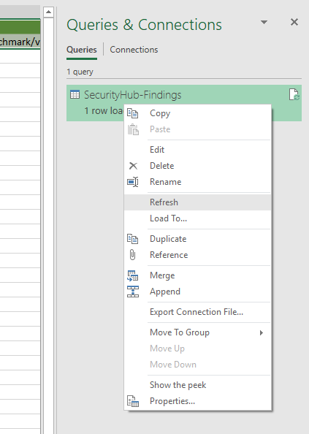
Dump Security Hub findings with AWS CLI
aws securityhub get-findings --profile [AWS_PROFILE] > SecurityHub-Findings.json

Save the SecurityHub-Findings.json file in c:\temp folder

Refresh Data - Goto Data tab & click Refresh All or follow below screenshot

Dashboard
AwsAccountId | (All) | AwsAccountId | (All)
Compliance.Status | (Multiple Items) | Compliance.Status | (Multiple Items)
RecordState | ACTIVE | RecordState | ACTIVE
Severity.Label | (All)
 |  | Row Labels | Count of Id
Row Labels | Count of Id | CRITICAL | 1
AwsAccount | 1 | LOW | 2
AwsEc2Instance | 1 | MEDIUM | 1
AwsIamAccessKey | 1 | Grand Total | 4
AwsS3Bucket | 1
Grand Total | 4

